AFTAage vs Elevation-BoomerangP
elevation | sample No. | Strat age | No. of crystals | Dosimeter |  | Spontaneous |  | Induced |  | Age Dispersion |  | Central age | age | plus | minus | Mean track length | track length | plus | minus | S.d. | No. of tracks
m |  |  |  | ρd | Nd | ρs | Ns | ρi | Ni | Pχ2 | RE% | ±1s |  |  |  | μm
 | TM1 | 616 | 6 | 1.45 | 4019 | 1.619 | 175 | 1.199 | 134 | 53.5 | 1.1 | 312.4±36.2 | 312.4 | 36.2 | 36.2 | 14.23±0.39 | 14.23 | 0.39 | 0.39 | 1.68 | 18
560 | TM2 | 616 | 20 | 1.45 | 4019 | 2.558 | 1420 | 1.706 | 953 | 71.8 | 0.2 | 355.2±15.9 | 355.2 | 15.9 | 15.9 | 13.46±0.16 | 13.46 | 0.16 | 0.16 | 1.57 | 97
679 | TM3 | 616 | 30 | 1.62 | 4490 | 3.222 | 1889 | 1.715 | 1037 | 1.3 | 17 | 480.5±25.4 | 480.5 | 25.4 | 25.4 | 13.66±0.15 | 13.66 | 0.15 | 0.15 | 1.35 | 82
734 | MG250 | 616 | 21 | 1.45 | 4019 | 2.152 | 606 | 1.424 | 397 | 76.7 | 0.5 | 363.6±24.2 | 363.6 | 24.2 | 24.2 | 12.67±0.25 | 12.67 | 0.25 | 0.25 | 1.81 | 51
899 | MG684b | 616 | 20 | 1.45 | 4019 | 2.382 | 909 | 1.647 | 624 | 6.7 | 14.7 | 349.9±22.4 | 349.9 | 22.4 | 22.4 | 13.20±0.15 | 13.2 | 0.15 | 0.15 | 1.57 | 103
919 | TMNW01 | 616 | 25 | 1.62 | 4490 | 2.826 | 1595 | 2.075 | 1199 | 17.1 | 10.1 | 356.7±16.5 | 356.7 | 16.5 | 16.5 | 13.48±0.14 | 13.48 | 0.14 | 0.14 | 1.48 | 110
666 | S84E | 616 | 21 | 1.62 | 4490 | 2.301 | 668 | 2.007 | 594 | 12.8 | 11.7 | 300.1±19.7 | 300.1 | 19.7 | 19.7 | 12.82±0.27 | 12.82 | 0.27 | 0.27 | 1.88 | 48

Elevation vs Aparent Age

 |  |  |  |  |  |  |  |  |  |  |  |  |  |  | $

Denudation Calculation
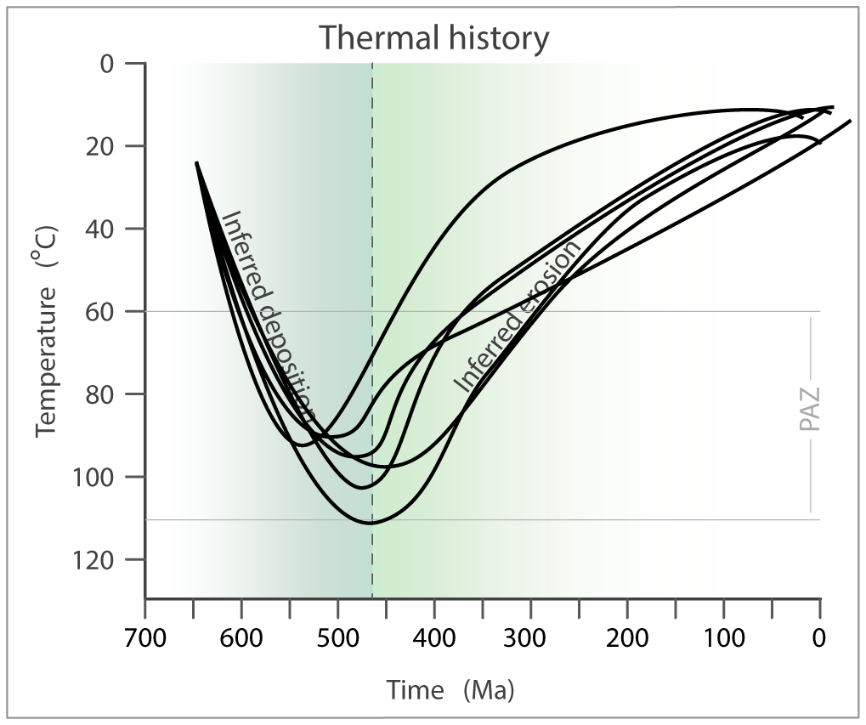
 | Sample | Max temp past [°C] | Age max temp [Ma] | temp present [°C] | Temp dif [°C] | geothermal gradient [°C/km] | Denudation [km] | Average rate denudation [m/Ma]
 | S84 | 100 | 450 | 20 | 80 | 15 | 5 | 12
where: |  |  |  |  |  | 30 | 3 | 6
 | MG684b | 110 | 480 | 20 | 90 | 15 | 6 | 13
D(t): denudation since time t |  |  |  |  |  | 30 | 3 | 6
T(t): temperature at time t | MG250 | 100 | 525 | 20 | 80 | 15 | 5 | 10
Ts(t): temperature at the surface |  |  |  |  |  | 30 | 3 | 5
dT/dz: geothermal gradient | TM2 | 110 | 500 | 20 | 90 | 15 | 6 | 12
 |  |  |  |  |  | 30 | 3 | 6
 | TM3 | 100 | 550 | 20 | 80 | 15 | 5 | 10
 |  |  |  |  |  | 30 | 3 | 5
 | TMNW01 | 110 | 450 | 20 | 90 | 15 | 6 | 13
 |  |  |  |  |  | 30 | 3 | 7
 |  |  | 2955
 |  | average max tem in time | 492.5

